System
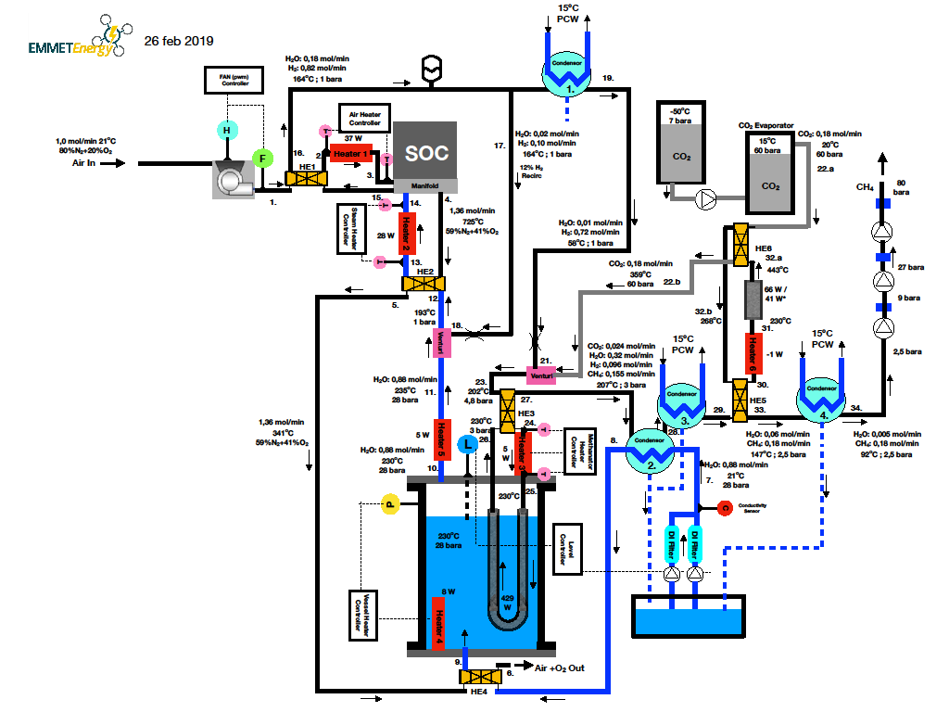
 | Air [mol/min] | O2 [mol/min] | H2O [mol/min] | H2 [mol/min] | CO2 [mol/min] | CH4 [mol/min] | Pressure [bara] | Temperature [°C]
1 | 1.00 |  |  |  |  |  | 1 | 21
2 | 1.00 |  |  |  |  |  | 1 | 658
3 | 1.00 |  |  |  |  |  | 1 | 725
4 | 1.00 | 0.36 |  |  |  |  | 1 | 725
5 | 1.00 | 0.36 |  |  |  |  | 1 | 341
6 | 1.00 | 0.36 |  |  |  |  | 1 | 159
7 |  |  | 0.88 |  |  |  | 28 | 21
8 |  |  | 0.88 |  |  |  | 28 | 113
9 |  |  | 0.88 |  |  |  | 28 | 229
10 |  |  | 0.88 |  |  |  | 28 | 230
11 |  |  | 0.88 |  |  |  | 28 | 235
12 |  |  | 0.90 | 0.10 |  |  | 1 | 169
13 |  |  | 0.90 | 0.10 |  |  | 1 | 682
14 |  |  | 0.90 | 0.10 |  |  | 1 | 725
15 |  |  | 0.18 | 0.82 |  |  | 1 | 725
16 |  |  | 0.18 | 0.82 |  |  | 1 | 146
17 |  |  | 0.02 | 0.10 |  |  | 1 | 146
18 |  |  | 0.02 | 0.10 |  |  | 1 | 147
19 |  |  | 0.01 | 0.72 |  |  | 1 | 58
20 |  |  | 0.01 | 0.72 |  |  | 1 | 58
21 |  |  | 0.01 | 0.72 |  |  | 1 | 243
22a |  |  |  |  | 0.18 |  | 60 | 22
22b |  |  |  |  | 0.18 |  | 60 | 359
23 |  |  | 0.01 | 0.72 | 0.18 |  | 4.8 | 202
24 |  |  | 0.01 | 0.72 | 0.18 |  | 4.8 | 219
25 |  |  | 0.01 | 0.72 | 0.18 |  | 4.8 | 230
26 |  |  | 0.32 | 0.096 | 0.024 | 0.155 | 3 | 230
27 |  |  | 0.32 | 0.096 | 0.024 | 0.155 | 3 | 207
28 |  |  | 0.23 | 0.096 | 0.024 | 0.155 | 3 | 113
29 |  |  | 0.01 | 0.096 | 0.024 | 0.155 | 3 | 108
30 |  |  | 0.01 | 0.096 | 0.024 | 0.155 | 3 | 147
31 |  |  | 0.01 | 0.096 | 0.024 | 0.155 | 3 | 230
32a |  |  | 0.06 |  |  | 0.18 | 2.5 | 443
32b |  |  | 0.06 |  |  | 0.18 | 2.5 | 268
32c |  |  | 0.06 |  |  | 0.18 | 2.5 | 268
33 |  |  | 0.06 |  |  | 0.18 | 2.5 | 147
34 |  |  | 0.005 |  |  | 0.18 | 2.5 | 92

H1
Heater 1: Air Inlet Heater |  |  |  |  |  |  | Heat transfer without Air Gap:

Heater temperature | THE | 982 | °C |  |  |  |  |  |  | Pipe wall |  |  |  | Air stream |  |  |  | Pipe wall
Average Air temperature | Tair,in | 691.3 | °C

Flow area | Aflow | 792 | mm2
 |  | 0.0008 | m2 |  |  |  |  |  |  |  | 3 | mm |  |  |  |  |  |  | Heater
Air Flow | j | 4.8 | m3/h | for 1,013 bar
Air Velocity | v | 1.7 | m/s
Pipe wall thermal conductivity | l | 6.5 | W/mK | 6,5 W/mK for Inconel
Pipe wall thickness | t | 3 | mm
Thermal resistance insulation layer | rth=t/l | 0.0005 | m2K/W |  |  |  |  |  |  |  |  |  |  |  | 7647 | W/m2

Heat transfer coefficient insulation to air stream | a | 27.35 | W/m2K |  |  |  |  |  |  |  |  |  |  | Heat transfer : |  | 37 | W
Heat transfer resistance insulation to air | rhta=1/α | 0.04 | m2K/W |  |  |  |  |  |  |  |  |  |  | Heater length: |  | 63 | mm
 |  |  |  |  |  |  |  |  |  |  |  |  |  |  |  |  |  |  |  | mm
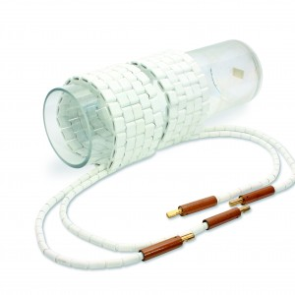
Heat transfer coefficient Heater to pipe | a | 1000 | W/m2K | Assumption for heater to pipe contact |  |  |  |  |  |  |  |  |  |  |  |  |  |  |  | 63
Heat transfer resistance Heater to pipe | rhts=1/α | 0.001 | m2K/W
 |  |  |  |  |  |  | 982 | °C | 974 | °C |  | 971 | °C | 691 | °C
Total heat transfer resistance | rth tot= | 0.04 | m2K/W
Heat flux | φq | 7647 | W/m2
Inner pipe diameter | d | 31.75 | mm
Required heater length | l | 63 | mm
Heat Exchange Area | A | 0.006 | m2 | Pipe surface area
Heat flow | Q | 37 | W
Heater loss estimate |  | 30 | %
Insulation surface temperature inside |  | 974 | °C
Insulation surface temperature outside |  | 971 | °C

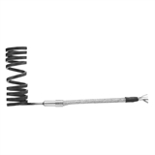
Kinematic Viscosity | n | 1.17E-04 | m2/s | for 1,013 bar and | 703.5 | C
Heat Conduction Coefficient | l | 6.66E-02 | W/mK
Dynamic Viscosity | h | 4.28E-05 | Pas
Specific Heat Capacity | cp | 1.14E+03 | J/kgK
Reynolds number | Re=(v*d)/n | 456
Prandtl number | Pr= (h*cp)/l | 0.73
Heat Transfer Coefficient | h=(0,678*l*Re 1/2*Pr 1/3)/d | 27.4 | W/m2K

CH4 compressors
CH4: 3-step compression train

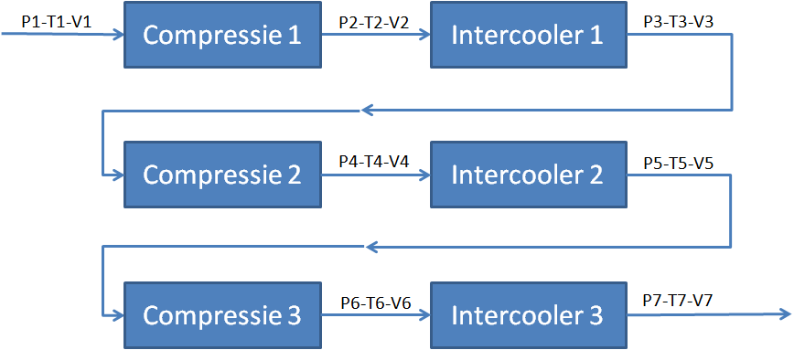 |  |  |  |  |  |  |  | Required Compressor power | WH | 44 | W
 |  |  |  |  |  |  |  | Total Intercooler* | Q | 56 | W
 |  |  |  |  |  |  |  |  | P [bar] | T [°C] | V [lpm]
 |  |  |  |  |  |  |  | 1 | 2.5 | 92 | 2.2
 |  |  |  |  |  |  |  | 2 | 8.2 | 223 | 0.9
 |  |  |  |  |  |  |  | 3 | 7.7 | 31 | 0.6
 |  |  |  |  |  |  |  | 4 | 25.1 | 140 | 0.2
 |  |  |  |  |  |  |  | 5 | 24.6 | 47 | 0.2
 |  |  |  |  |  |  |  | 6 | 80.5 | 162 | 0.1
 |  |  |  |  |  |  |  | 7 | 80.0 | 70 | 0.1
 |  |  |  |  |  |  |  | * Free energy: water cooling

Compressiestap 1- Polytrope compressie |  |  |  | Compressiestap 2- Polytrope compressie |  |  |  | Compressiestap 3- Polytrope compressie |  |  |  | Ja
 |  |  |  |  |  |  |  |  |  |  |  | Nee
Compressibiliteit | z | 0.9979 | methaan | Compressibiliteit | z | 0.9872 | methaan | Compressibiliteit | z | 0.9663 | methaan
Ingangsdruk | P1 | 2.5 | bar | Ingangsdruk | P3 | 7.68 | bar | Ingangsdruk | P5 | 24.61 | bar
Compressie ratio |  | 3.27 |  | Compressie ratio |  | 3.27 |  | Compressie ratio |  | 3.27
Uitgangsdruk | P2 | 8.18 | bar | Uitgangsdruk | P4 | 25.11 | bar | Uitgangsdruk | P6 | 80.50 | bar
Gasconstante | R | 8.31 | J/Kmol | Gasconstante | R | 8.31 | J/Kmol | Gasconstante | R | 8.31 | J/Kmol
 |  |  |  |  |  |  |  |  |  |  |  | ax3+bx2+cx+d=0 | a | 2.5
Molaire massa | M | 16.04 | g/mol | Molaire massa | M | 16.04 | g/mol | Molaire massa | M | 16.04 | g/mol |  | b | -0.5
Ingangstemperatuur | T1 | 92 | °C | Ingangstemperatuur | T3 | 31 | °C | Ingangstemperatuur | T5 | 47 | °C |  | c | -0.5
 |  |  |  |  |  |  |  |  |  |  |  |  | d | -80.5
Polytrope index | n | 1.35 |  | Polytrope index | n | 1.35 |  | Polytrope index | n | 1.35
 |  |  |  |  |  |  |  |  |  |  |  |  | q | -32.214
Uitgangstemperatuur | T2 | 223 | °C | Uitgangstemperatuur | T4 | 140 | °C | Uitgangstemperatuur | T6 | 162 | °C |  | p | -0.213
Uitgangsvolumeflow | V2 | 1.5E-05 | m3/s | Uitgangsvolumeflow | V4 | 4.1E-06 | m3/s | Uitgangsvolumeflow | V6 | 1.3E-06 | m3/s
Compressiearbeid | Hpoly | 4194 | J/mol | Compressiearbeid | Hpoly | 3460 | J/mol | Compressiearbeid | Hpoly | 3565 | J/mol |  | x | 3.271
 |  | 261.50 | kJ/kg |  |  | 215.70 | kJ/kg |  |  | 222.23 | kJ/kg

Volumeflow (0°C;1 bar) | V0 | 6.7E-05 | nm3/s | Volumeflow (0°C;1 bar) | V0 | 6.7E-05 | nm3/s | Volumeflow (0°C;1 bar) | V0 | 6.7E-05 | nm3/s
Dichtheid (0°C; 1 bar) | r0 | 0.707 | kg/nm3 | Dichtheid (0°C; 1 bar) | r0 | 0.707 | kg/nm3 | Dichtheid (0°C; 1 bar) | r0 | 0.707 | kg/nm3
Dichtheid (T1;P1) | r1 | 1.32 | kg/m3 | Dichtheid (T3;P3) | r3 | 4.87 | kg/m3 | Dichtheid (T5;P5) | r5 | 14.85 | kg/m3
Ingangs volumeflow (T1;P1) | V1 | 3.6E-05 | m3/s | Ingangs volumeflow (T3;P3) |  | 9.7E-06 | m3/s | Ingangs volumeflow (T5;P5) |  | 3.2E-06 | m3/s
 |  | 1.3E-01 | m3/h |  |  | 3.5E-02 | m3/h |  |  | 1.2E-02 | m3/h
Ingangs massaflow (T1;P1) |  | 4.8E-05 | kg/s | Ingangs massaflow (T3;P3) |  | 4.8E-05 | kg/s | Ingangs massaflow (T5;P5) |  | 4.8E-05 | kg/s
Polytroop Compressievermogen | WHpoly | 1.2E-02 | kW | Polytroop Compressievermogen | WHpoly | 1.0E-02 | kW | Polytroop Compressievermogen | WHpoly | 1.1E-02 | kW

Polytrope efficiency |  | 80 | % | Polytrope efficiency |  | 75 | % | Polytrope efficiency |  | 70 | %
Benodigd Compressorvermogen |  | 0.016 | kW | Benodigd Compressorvermogen |  | 0.014 | kW | Benodigd Compressorvermogen |  | 0.015 | kW

Intercooler | Ja/Nee | Ja |  | Intercooler | Ja/Nee | Ja |  | Intercooler | Ja/Nee | Ja
Ingangstemperatuur | T2 | 223 | °C | Ingangstemperatuur | T4 | 140 | °C | Ingangstemperatuur | T6 | 162 | °C
Uitgangstemperatuur | T3 | 31 | °C | Uitgangstemperatuur | T5 | 47 | °C | Uitgangstemperatuur | T7 | 70 | °C
Drukval | ΔP | 0.5 | bar | Drukval | ΔP | 0.5 | bar | Drukval | ΔP | 0.5 | bar
Soortelijke warmte | cp | 2.41 | kJ/kgK | Soortelijke warmte | cp | 2.39 | kJ/kgK | Soortelijke warmte | cp | 2.77 | kJ/kgK
Uitgangsdruk | P3 | 7.6771907921 | bar | Uitgangsdruk | P5 | 24.611141542 | bar | Uitgangsdruk | P7 | 80 | bar
Uitgangsflow (T3;P3) | V3 | 9.7E-06 | m3/s | Uitgangsflow (T5;P5) | V5 | 3.2E-06 | m3/s | Uitgangsflow (T7;P7) | V7 | 1.1E-06 | m3/s
Thermisch vermogen |  | 2.2E-02 | kW | Thermisch vermogen |  | 1.1E-02 | kW | Thermisch vermogen |  | 1.2E-02 | kW
Efficiency warmtewisselaar |  | 80.0 | % | Efficiency warmtewisselaar |  | 80.0 | % | Efficiency warmtewisselaar |  | 80.0 | %
Benodigd Intercoolervermogen |  | 2.7E-02 | kW | Benodigd Intercoolervermogen |  | 1.3E-02 | kW | Benodigd Intercoolervermogen |  | 1.5E-02 | kW

Ingangswaarden volgende compressiestap |  |  |  | Ingangswaarden volgende compressiestap |  |  |  | Eindwaarden laatste compressiestap
Druk | P3 | 7.7 | bar | Druk | P5 | 24.6 | bar | Druk | P7 | 80.0 | bar
Temperatuur | T3 | 31 | °C | Temperatuur | T5 | 47 | °C | Temperatuur | T7 | 70 | °C
Flow | V3 | 9.7E-06 | m3/s | Flow | V5 | 3.2E-06 | m3/s | Flow | V7 | 1.1E-06 | m3/s

Dichtheid (20°C; 1 bar) | rST | 0.659 | kg/sm3 | Dichtheid (20°C; 1 bar) | rST | 0.659 | kg/sm3 | Dichtheid (20°C; 1 bar) | rST | 0.659 | kg/sm3
Kritische Temperatuur | TCR | 191.046 | K | Kritische Temperatuur | TCR | 191.046 | K | Kritische Temperatuur | TCR | 191.046 | K
Gereduceerde gastemperatuur | TR | 2.252 |  | Gereduceerde gastemperatuur | TR | 1.877 |  | Gereduceerde gastemperatuur | TR | 1.976
Kritische druk | PCR | 46.403 | bar | Kritische druk | PCR | 46.403 | bar | Kritische druk | PCR | 46.403 | bar
Gereduceerde druk | PR | 0.115 |  | Gereduceerde druk | PR | 0.353 |  | Gereduceerde druk | PR | 1.133
 | t | 1.294 |  |  | t | 0.666 |  |  | t | 0.809
Compressibiliteit | z | 0.9979 | methaan | Compressibiliteit | z | 0.9872 | methaan | Compressibiliteit | z | 0.9663 | methaan
Soortelijke warmte | cp | 2.409 | kJ/kgK | Soortelijke warmte | cp | 2.391 | kJ/kgK | Soortelijke warmte | cp | 2.770 | kJ/kgK

